Sheet1
Test No. | Test | Expected Result | Actual Result | Evidence | Comments
1a | Trying to exit from user screen after selecting a a previous option doesn’t work | Should be able to exit program when choice 6 is selected | Brings to another option (Fill in this case) | 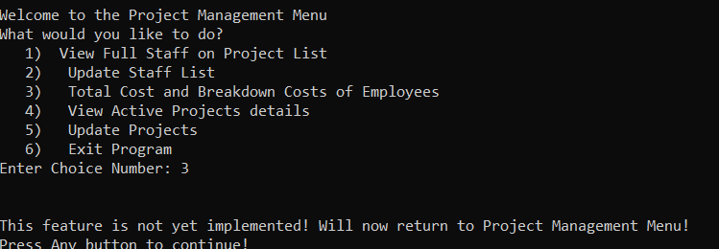 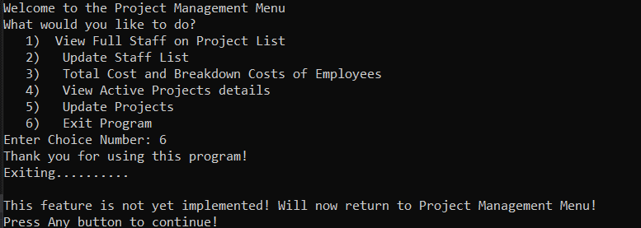 | iUserOption seems to be not updating when going to fill? Works the second time around after choosing 6 again
1b | Trying to exit from user screen after selecting a a previous option doesn’t work | Should be able to exit program when choice 6 is selected | Exiting as expected | 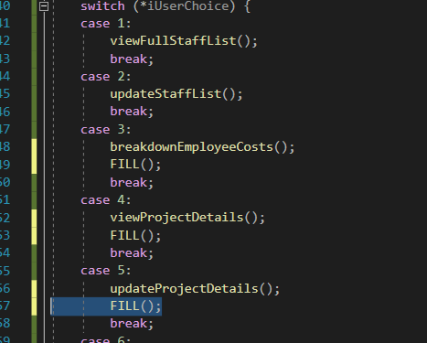 | created an exit ProgramFunction, removed these unecessary placeholders. Works as expected
2a | Checking the names of the people from csv | Expected to loop through 4 times | Looping 5 times, Reading last row twice |  | Currently using a while(!file.eof()) condition seems to be reading last line again
2b | Checking the names of the people from csv | Expected to loop through 3 times | Looping through 3 times | 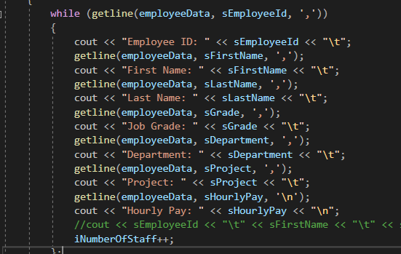 | Changed condition to while (getline(employeeData, sEmployeeId, ',')) to ensure it doesn’t run by an empty ID and repeat the previous loop
3a | TestingBreakdown Page | Expected to output Job Grades | No Outputs | 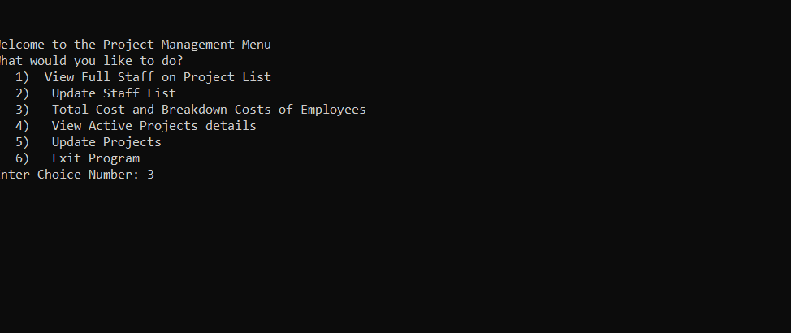 | cout << vClsSalariedEmployees[iSalariedEmployeeCount].getJobGrade();
3b | TestingBreakdown Page | Expected to output Job Grades | No Outputs |  | sDpeartment and sjobGrade are mixed up
3c | TestingBreakdown Page | Expected to output Job Grades | Outputting Grades |  | Constructors had the wrong ordering of expected arguments, sDepartment and sJobGrade were the other way around with the order of the csv headers
4a | Testing Total Amount for salaried staff | Total for all salaried staff | Total for last person only |  | Loop starting at the end of the vector or maybe only the last guy is being saved when filtering into child classes
4b | Testing Total Amount for salaried staff | Total for all salaried staff | Total for all salaried staff | 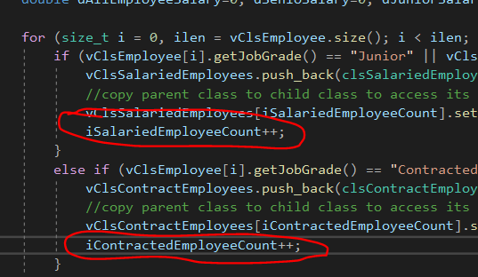 | Just forgot to add counter to increase index when allocating data so first one was always being overwritten
5a | Testing Total amount for contracted staff | Total of contracted wages | Total = 0 |  | Salaried Staff not finding the hours per week and weeks per year causing wrong calculation of pay
5b | Testing Total amount for contracted staff | Total of contracted wages | Total of contracted wages | 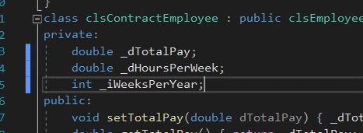 | Child Object property was overwriting the parent object method for setting hours and week, removed it to fix this issue
6a | Testing outputs formats of results | raw numbers, 2 decimal places for currency | scientific notation is used on large totals
6b | Testing outputs formats of results | raw numbers, 2 decimal places for currency | raw numbers, 2 decimal places for currency |  | Requires formatting using iomanip library std::cout << std::fixed << std::setprecision(2)
7a | Testing Outputs of projects details | exepcted projetc cost to be non zero | currently zero |  | there is 1 person assigned to this project in the csv
7b | Testing Outputs of projects details | exepcted projetc cost to be non zero | exepcted projetc cost to be non zero | 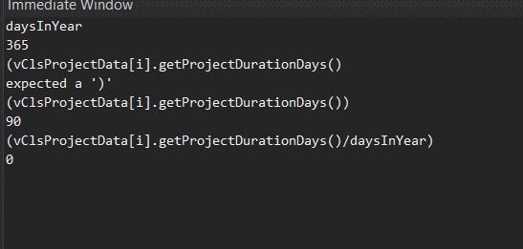 | double divided by int was givinga value of 0…
8 | 6 Digits ID Only input and postive only | 6 digits only
9 | Testing no | user cant add more hours and weeks than specified | user cant add more hours and weeks than specified |  | Max of 20 hours, repeats until condition me tMax of 30weeks, repeats until ocndition met
10 | Error checks for unwanted user inputs | integer inputs are positive and only integer, liekwise for doubles | integer inputs are positive and only integer, liekwise for doubles | 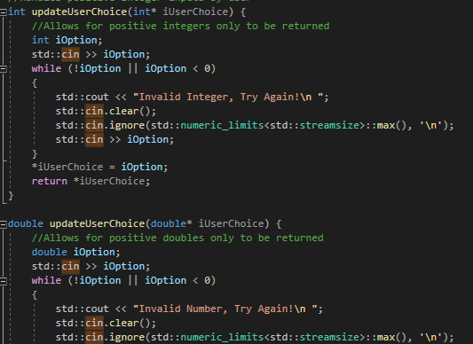 | Handles the user choice input into one function

